ER Diagram
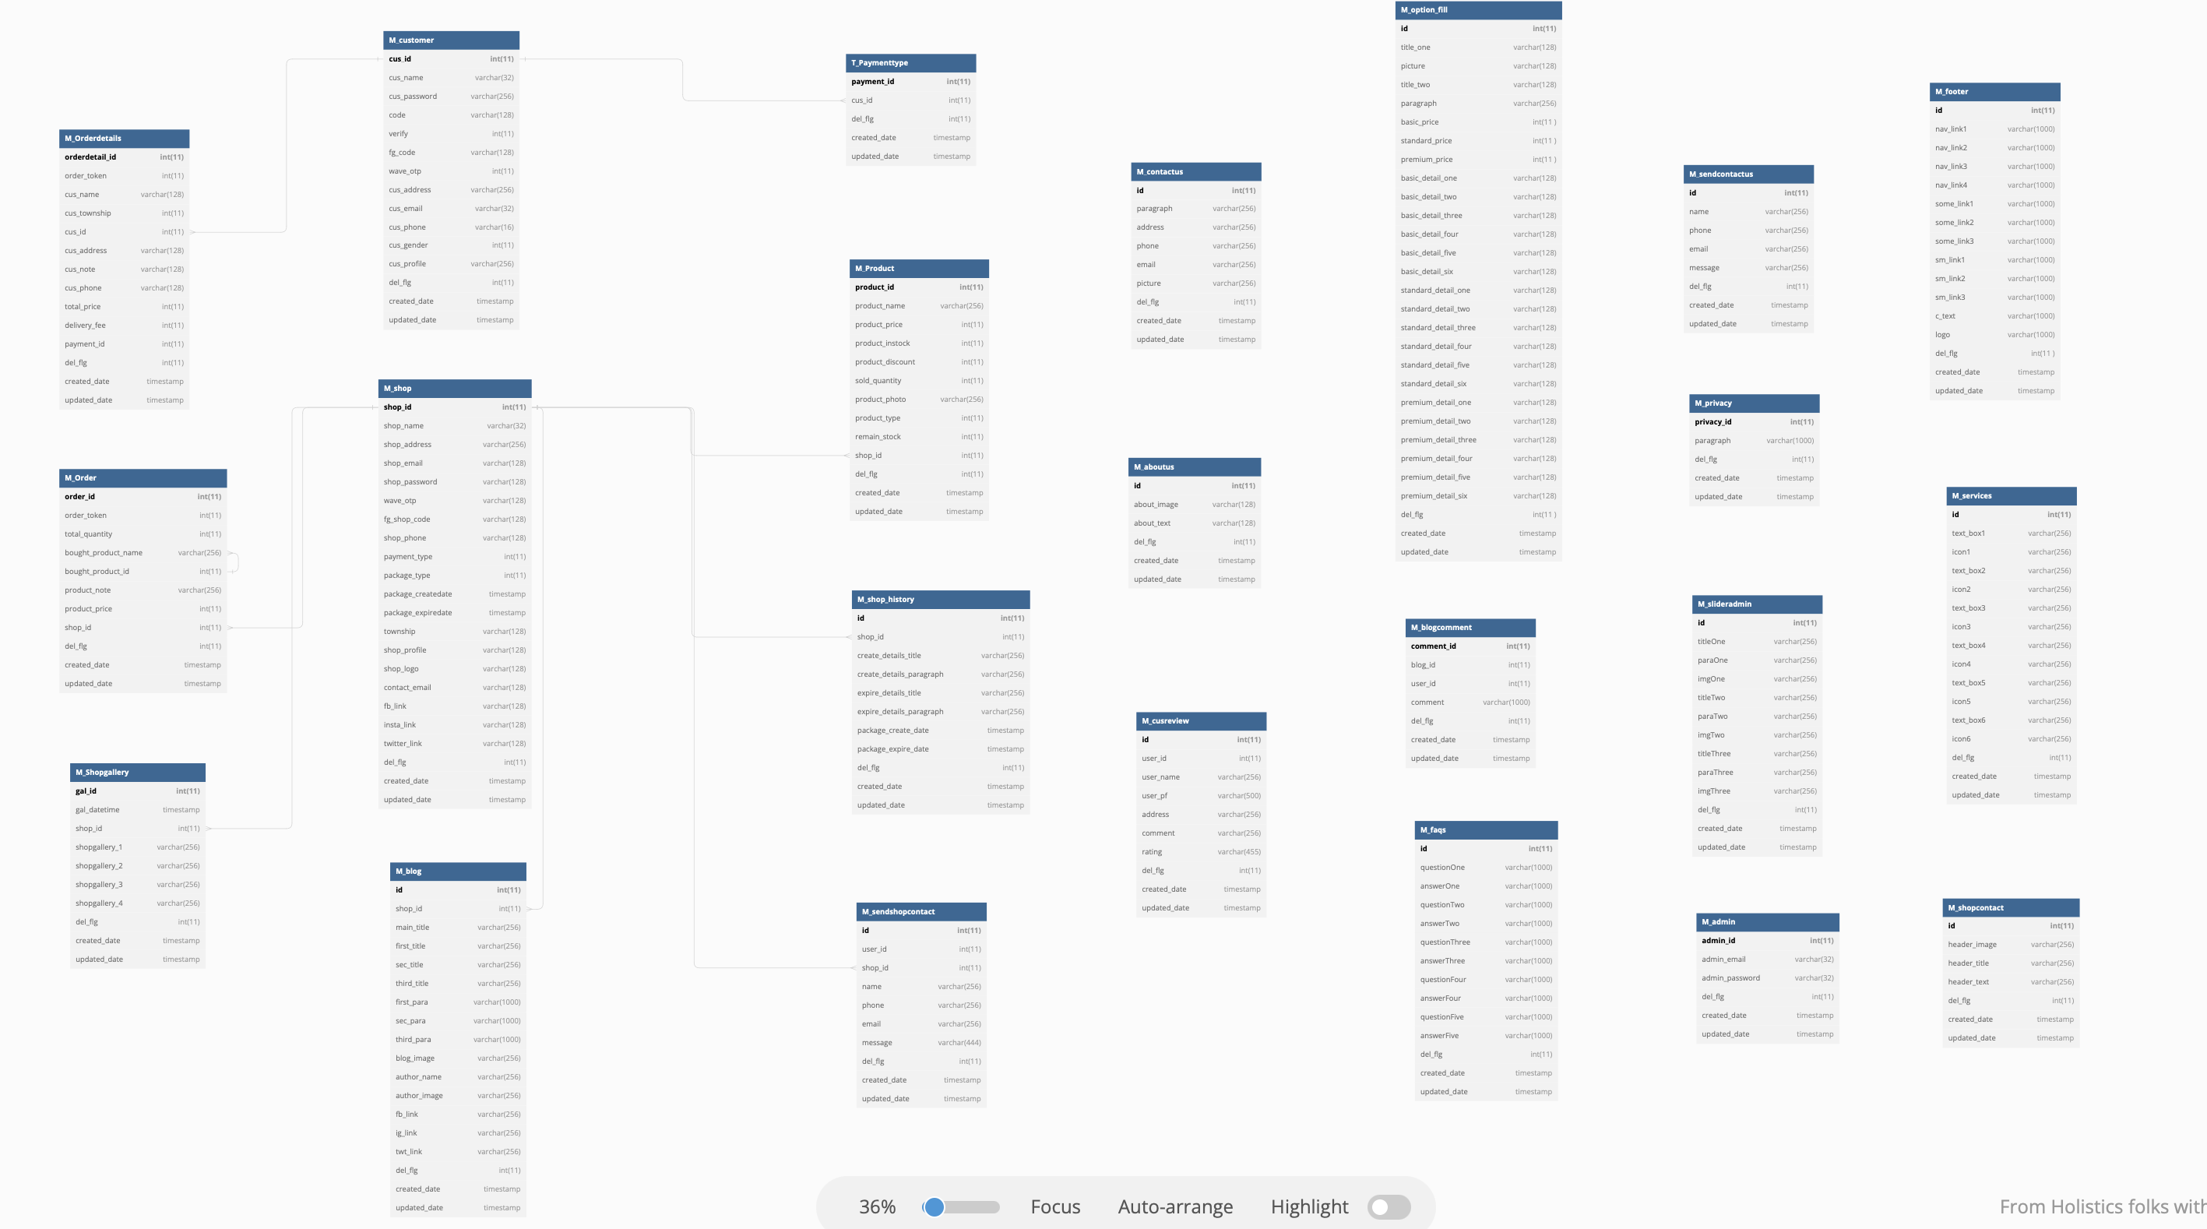
ER Diagram | CAFE |  |  | Create Date
 |  |  |  | Update Date | 2023-04-11 23:17:16

 |  | ER Diagram Original Link | https://dbdiagram.io/d/643101dc8615191cfa8c4bb4

